SLS REML GLM Revised Data
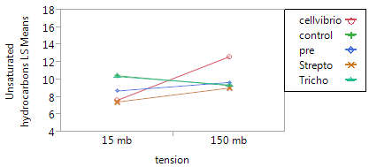
Data: Revised % NMS (includes pre, control, cellvibrio, strepto, and tricho)
Statistical Tests |  | Lipid | Unsaturated Hydrocarbons | Proteins | Lignin | carbohydrates | Amino Sugars | Tannin | Condensed Hydrocarbons
Standard Least Squares Fit
Summary of Fit | RSq |  |  |  |  |  |  |  |  | tension only:
 | RMSE |  |  |  |  |  |  |  |  | protein
Analysis of Variance (whole model) | model (F ratio) |  |  |  |  |  |  |  |  | aminos
 | Model (Prob> F) | 0.004 | 0.029 | < 0.0001 | 0.0009 | 0.002 | 0.779 | 0.0016 | 0.0001 | condensed hydroC
Effects Test | Tension | 0.004 | 0.080 | < 0.0001 | 0.701 | 0.044 | 0.011 | < 0.0001 | < 0.0001
 | Inoculant | 0.002 | 0.299 | 0.195 | < 0.0001 | 0.0002 | 0.368 | 0.022 | 0.091 | inoculants only:
 | Trension * Inoculant | 0.927 | 0.021 | 0.55 | 0.606 | 0.796 | 0.439 | 0.634 | 0.48 | lignin
 |  |  |  |  |  |  |  |  |  | carbohydrates
REML - SLS
Summary of Fit | RSq |  |  |  |  |  |  |  |  | Additive Effect:
 | RMSE |  |  |  |  |  |  |  |  | lipids
REML Var Estimate | Core | 3% | 0% | 33% | 0% | 8% | 10% | 11.0% | 9% | Tannins
Fixed Effects Test | Tension | 0.004 | 0.080 | < 0.0001 | 0.702 | 0.037 | 0.008 | < 0.0001 | < 0.0001
 | Inoculant | 0.002 | 0.299 | 0.071 | < 0.0001 | 0.0001 | 0.315 | 0.014 | 0.071
 | Trension * Inoculant | 0.923 | 0.021 | 0.352 | 0.610 | 0.769 | 0.384 | 0.582 | 0.429

GLM (normal/gaussian, identity)
Whole Model Test | ChiSq
 | Prob > ChiSq
 | Pearson (Prob > ChiSq)
 | Deviance (Prob > ChiSq)
Effects Test | Tension
 | Inoculant
 | Trension * Inoculant

 |  | OBSERVABLE
 | Tukey HSD | Lipid | Unsaturated Hydrocarbons | Proteins | Lignin | carbohydrates | Amino Sugars | Tannin | Condensed Hydrocarbons
 | Pre-Inoculation | b |  |  | a | a |  | ab
 | No Inoculation | ab |  |  | b | ab |  | ab
 | Cellvibrio | a |  |  | b | b |  | b
 | Streptomyces | b |  |  | a | b |  | ab
 | Trichoderma | ab |  |  | ab | ab |  | b

 | LSMeans Differences - Dunnett | Lipid | Unsaturated Hydrocarbons | Proteins | Lignin | carbohydrates | Amino Sugars | Tannin | Condensed Hydrocarbons
 | No Inoculation |  |  |  | 0.0004 | (decrease) |  | no sig diff with pre
 | Cellvibrio | 0.0014 |  |  | 0.0003 | <0.0001
 | Streptomyces | (increase) |  |  | (decrease) | 0.0019
 | Trichoderma

 |  | Lipid | Unsaturated Hydrocarbons | Proteins | Lignin | carbohydrates | Amino Sugars | Tannin | Condensed Hydrocarbons
 | Tukey HSD |  | tension*inoculant |  |  | tension, inoculant |  | tension, inoculant
Pre | 15 | b | ab |  |  | a |  | abc
 | 150 | ab | ab |  |  | ab |  | abc
control | 15 | b | ab |  |  | ab |  | ab
 | 150 | ab | ab |  |  | ab |  | bc
cellvibrio | 15 | ab | b |  |  | b |  | abc
 | 150 | a | a |  |  | b |  | c
strepto | 15 | b | b |  |  | b |  | a
 | 150 | ab | ab |  |  | b |  | abc
tricho | 15 | ab | ab |  |  | ab |  | acb
 | 150 | ab | ab |  |  | ab |  | bc

Sheet4
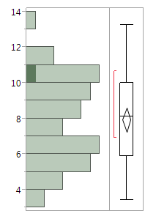
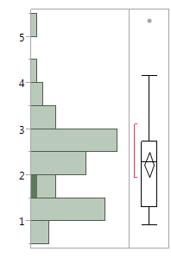
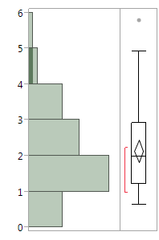
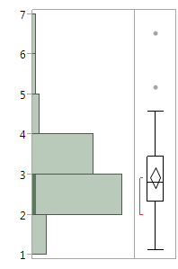
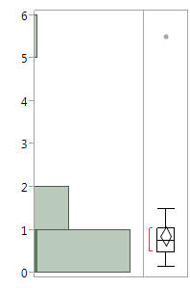
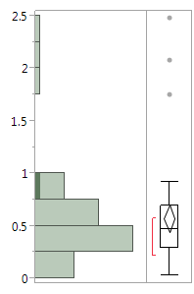
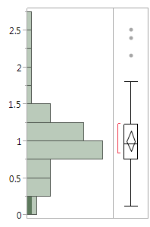
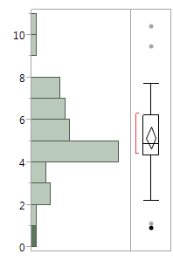
Lipid | Lipid | Unsaturated Hydrocarbons | Proteins | Lignin | carbohydrates | Amino Sugars | Tannin | Condensed Hydrocarbons

